Country Opportunity Ranking
Country | Macro Economics (weighted) | Commerce & Trade (weighted) | Risk (weighted) | Total | Score/ median | Score/ mean | Median = 0 | Mean = 0 | Country | Score from median (range = +/- 100) | Score from mean (range = +/- 100) | <-- Note: Please resort this chart after criteria changes. | Enter Weights Here
Luxembourg | 7.5 | 96.2 | 9.1 | 112.8 | 53.71 | 58.78 | 52.71 | 59.78 | Luxembourg | 100 | (100) |  | Sector | Sector Weight (%) | Indicator | Indicator Weight (%)
Iceland | 6.3 | 90.5 | 6.8 | 103.6 | 49.33 | 53.99 | 48.33 | 54.99 | Iceland | 92 | (92) |  | Macroeconomics | 10% | Wealth | 70%
Switzerland | 2.7 | 80.3 | 10.0 | 93.0 | 44.29 | 48.47 | 43.29 | 49.47 | Switzerland | 82 | (83) |  |  |  | Growth | 30%
Norway | 3.4 | 79.6 | 10.0 | 93.0 | 44.26 | 48.44 | 43.26 | 49.44 | Norway | 82 | (83) |  |  |  | Growth Projection | 30%
Denmark | 2.1 | 74.7 | 9.3 | 86.1 | 40.98 | 44.85 | 39.98 | 45.85 | Denmark | 76 | (77) |  |  |  | Urban Population | 0%
Netherlands | 2.3 | 72.3 | 9.3 | 83.9 | 39.94 | 43.71 | 38.94 | 44.71 | Netherlands | 74 | (75) |  |  |  | Economy Size | -30% | automatically calculated as remainder | #VALUE!
Malta | 5.3 | 68.5 | 8.4 | 82.2 | 39.12 | 42.81 | 38.12 | 43.81 | Malta | 72 | (73)
New Zealand | 2.1 | 70.5 | 9.3 | 81.9 | 38.99 | 42.67 | 37.99 | 43.67 | New Zealand | 72 | (73) |  | Commerce & Trade | 80% | 1-Health Spending Per capita | 50%
Ireland | 5.1 | 67.2 | 8.6 | 80.8 | 38.48 | 42.11 | 37.48 | 43.11 | Ireland | 71 | (72) |  |  |  | 2-Total Healthcare Spending | -50%
Sweden | 3.1 | 67.4 | 10.0 | 80.4 | 38.29 | 41.91 | 37.29 | 42.91 | Sweden | 71 | (72) |  |  |  | 3-IT Development Index | 30%
Andorra | 3.2 | 74.8 | 0.0 | 78.1 | 37.16 | 40.66 | 36.16 | 41.66 | Andorra | 69 | (70) |  |  |  | 4-Medical Technology Imports from US | 10%
Estonia | 2.9 | 62.9 | 9.3 | 75.1 | 35.75 | 39.12 | 34.75 | 40.12 | Estonia | 66 | (67) |  |  |  | 5-Computer Imports | 10%
Germany | 1.7 | 61.4 | 10.0 | 73.0 | 34.77 | 38.05 | 33.77 | 39.05 | Germany | 64 | (65) |  |  |  | 6-Network Readiness Index | 30%
Qatar | 7.6 | 57.7 | 6.6 | 71.9 | 34.24 | 37.47 | 33.24 | 38.47 | Qatar | 63 | (64) |  |  |  | 7-Physicians per 1,000 people | 30%
Australia | 2.8 | 57.2 | 9.3 | 69.2 | 32.96 | 36.07 | 31.96 | 37.07 | Australia | 61 | (62) |  |  |  | 8-Public Health Spending % | 15% | automatically calculated as remainder
Belgium | 1.9 | 57.6 | 9.3 | 68.8 | 32.75 | 35.85 | 31.75 | 36.85 | Belgium | 60 | (62)
Austria | 2.0 | 56.3 | 10.0 | 68.3 | 32.53 | 35.60 | 31.53 | 36.60 | Austria | 60 | (61)
Singapore | 4.8 | 55.8 | 7.7 | 68.3 | 32.49 | 35.56 | 31.49 | 36.56 | Singapore | 60 | (61) |  | Risk | 10% | Country Risk | 35%
Slovenia | 2.2 | 57.2 | 6.8 | 66.2 | 31.51 | 34.48 | 30.51 | 35.48 | Slovenia | 58 | (59) |  |  |  | Business Climate | 40%
Israel | 2.0 | 54.9 | 7.8 | 64.6 | 30.77 | 33.67 | 29.77 | 34.67 | Israel | 56 | (58) |  |  |  | Banking Risk | 25% | automatically calculated as remainder
Lithuania | 1.7 | 54.4 | 6.8 | 62.9 | 29.96 | 32.79 | 28.96 | 33.79 | Lithuania | 55 | (57)
Top 10 Opportunity Scores
Slovakia | 2.2 | 52.7 | 6.8 | 61.7 | 29.37 | 32.14 | 28.37 | 33.14 | Slovakia | 54 | (55)
Czech Republic | 1.6 | 54.6 | 5.3 | 61.5 | 29.29 | 32.06 | 28.29 | 33.06 | Czech Republic | 54 | (55)
United Kingdom | 1.6 | 51.3 | 8.6 | 61.4 | 29.25 | 32.01 | 28.25 | 33.01 | United Kingdom | 54 | (55)
Canada | 1.8 | 50.5 | 8.6 | 60.9 | 28.98 | 31.72 | 27.98 | 32.72 | Canada | 53 | (55)
France | 1.4 | 50.0 | 9.3 | 60.8 | 28.92 | 31.65 | 27.92 | 32.65 | France | 53 | (55)
Uruguay | 0.9 | 55.4 | 2.7 | 59.0 | 28.10 | 30.75 | 27.10 | 31.75 | Uruguay | 51 | (53)
Japan | 0.5 | 49.2 | 8.7 | 58.4 | 27.78 | 30.40 | 26.78 | 31.40 | Japan | 51 | (53)
Kuwait | 4.2 | 50.1 | 3.6 | 57.9 | 27.56 | 30.16 | 26.56 | 31.16 | Kuwait | 50 | (52)
United Arab Emirates | 3.9 | 47.1 | 6.8 | 57.8 | 27.50 | 30.10 | 26.50 | 31.10 | United Arab Emirates | 50 | (52)
Greece | 0.7 | 52.5 | 0.8 | 52.4 | 24.93 | 27.28 | 23.93 | 28.28 | Greece | 45 | (47)
Latvia | 2.7 | 42.8 | 6.8 | 52.3 | 24.91 | 27.26 | 23.91 | 28.26 | Latvia | 45 | (47)
Croatia | 0.9 | 49.0 | 2.3 | 52.2 | 24.83 | 27.18 | 23.83 | 28.18 | Croatia | 45 | (47)
Portugal | 0.8 | 45.6 | 5.3 | 51.7 | 24.59 | 26.92 | 23.59 | 27.92 | Portugal | 45 | (47)
Finland | 1.6 | 40.5 | 8.6 | 50.8 | 24.16 | 26.44 | 23.16 | 27.44 | Finland | 44 | (46)
Cyprus | 3.8 | 43.1 | 2.9 | 49.9 | 23.74 | 25.98 | 22.74 | 26.98 | Cyprus | 43 | (45)
Barbados | 3.2 | 45.0 | 0.4 | 47.8 | 22.77 | 24.92 | 21.77 | 25.92 | Barbados | 41 | (43)
Spain | 1.9 | 37.1 | 8.3 | 47.3 | 22.54 | 24.67 | 21.54 | 25.67 | Spain | 41 | (43)
Bahrain | 3.2 | 40.4 | 2.0 | 45.7 | 21.75 | 23.80 | 20.75 | 24.80 | Bahrain | 39 | (41)
Hungary | 1.2 | 40.1 | 4.0 | 45.3 | 21.56 | 23.60 | 20.56 | 24.60 | Hungary | 39 | (41)
Italy | 0.9 | 37.3 | 7.1 | 45.2 | 21.52 | 23.55 | 20.52 | 24.55 | Italy | 39 | (41)
The Bahamas | 3.2 | 40.8 | 0.4 | 43.6 | 20.77 | 22.73 | 19.77 | 23.73 | The Bahamas | 38 | (40)
South Korea | 1.9 | 33.7 | 7.5 | 43.0 | 20.47 | 22.41 | 19.47 | 23.41 | South Korea | 37 | (39)
Hong Kong (China) | 2.9 | 30.5 | 7.7 | 41.1 | 19.58 | 21.43 | 18.58 | 22.43 | Hong Kong (China) | 35 | (38)
Brunei | 6.6 | 33.8 | 0.4 | 40.1 | 19.08 | 20.88 | 18.08 | 21.88 | Brunei | 34 | (37)
Costa Rica | 2.0 | 34.4 | 2.8 | 39.1 | 18.62 | 20.38 | 17.62 | 21.38 | Costa Rica | 33 | (36)
Saudi Arabia | 2.3 | 31.6 | 3.0 | 36.8 | 17.54 | 19.20 | 16.54 | 20.20 | Saudi Arabia | 31 | (34)
Oman | 2.2 | 29.8 | 2.4 | 34.4 | 16.35 | 17.90 | 15.35 | 18.90 | Oman | 29 | (32)
Panama | 3.0 | 27.3 | 3.5 | 33.8 | 16.08 | 17.59 | 15.08 | 18.59 | Panama | 29 | (31)
United States | 0.3 | 23.2 | 9.3 | 32.8 | 15.61 | 17.09 | 14.61 | 18.09 | United States | 28 | (30)
Bulgaria | 1.1 | 28.6 | 2.7 | 32.4 | 15.43 | 16.89 | 14.43 | 17.89 | Bulgaria | 27 | (30)
Trinidad and Tobago | 2.0 | 23.6 | 1.1 | 26.7 | 12.73 | 13.93 | 11.73 | 14.93 | Trinidad and Tobago | 22 | (25)
Chile | 0.9 | 18.2 | 7.5 | 26.6 | 12.64 | 13.83 | 11.64 | 14.83 | Chile | 22 | (25)
Romania | 2.3 | 19.6 | 3.6 | 25.5 | 12.12 | 13.27 | 11.12 | 14.27 | Romania | 21 | (24)
Cuba | 2.2 | 32.4 | 6.0 | 24.1 | 11.49 | 12.58 | 10.49 | 13.58 | Cuba | 20 | (23)
Poland | 1.6 | 14.4 | 6.7 | 22.8 | 10.83 | 11.85 | 9.83 | 12.85 | Poland | 19 | (21)
Saint Kitts and Nevis | 4.7 | 17.6 | 0.4 | 22.0 | 10.46 | 11.44 | 9.46 | 12.44 | Saint Kitts and Nevis | 18 | (21)
Belarus | 0.8 | 29.7 | 7.0 | 21.9 | 10.41 | 11.40 | 9.41 | 12.40 | Belarus | 18 | (21)
Serbia (excluding Kosovo) | 0.1 | 21.6 | 0.3 | 21.5 | 10.23 | 11.20 | 9.23 | 12.20 | Serbia (excluding Kosovo) | 18 | (20)
Montenegro | 4.6 | 15.8 | 0.3 | 20.2 | 9.60 | 10.51 | 8.60 | 11.51 | Montenegro | 16 | (19)
Kazakhstan | 0.5 | 18.3 | 0.4 | 19.3 | 9.18 | 10.05 | 8.18 | 11.05 | Kazakhstan | 16 | (18)
Macau (China) | 4.6 | 11.2 | 1.9 | 17.7 | 8.41 | 9.20 | 7.41 | 10.20 | Macau (China) | 14 | (17)
Chinese Taipei (Taiwan) | 2.0 | 6.8 | 7.5 | 16.3 | 7.75 | 8.49 | 6.75 | 9.49 | Chinese Taipei (Taiwan) | 13 | (16)
Dominica | 3.1 | 13.1 | 0.4 | 15.9 | 7.55 | 8.26 | 6.55 | 9.26 | Dominica | 12 | (15)
Argentina | 0.2 | 14.4 | 0.9 | 13.3 | 6.31 | 6.91 | 5.31 | 7.91 | Argentina | 10 | (13)
Bosnia and Herzegovina | 0.4 | 12.4 | 0.3 | 12.6 | 5.98 | 6.55 | 4.98 | 7.55 | Bosnia and Herzegovina | 9 | (13)
Malaysia | 2.5 | 4.9 | 4.4 | 11.7 | 5.59 | 6.12 | 4.59 | 7.12 | Malaysia | 9 | (12)
Lebanon | 0.5 | 13.0 | 4.1 | 9.5 | 4.51 | 4.93 | 3.51 | 5.93 | Lebanon | 7 | (10)
Saint Lucia | 1.4 | 8.3 | 0.4 | 9.4 | 4.45 | 4.87 | 3.45 | 5.87 | Saint Lucia | 7 | (10)
Jordan | 1.3 | 9.7 | 0.4 | 8.8 | 4.18 | 4.57 | 3.18 | 5.57 | Jordan | 6 | (9)
British Virgin Islands | 4.3 | 4.4 | 8.6 | 8.5 | 4.05 | 4.43 | 3.05 | 5.43 | British Virgin Islands | 6 | (9)
Mauritius | 3.8 | 0.1 | 4.3 | 8.2 | 3.89 | 4.26 | 2.89 | 5.26 | Mauritius | 5 | (9)
Cayman Islands | 4.5 | 4.5 | 6.1 | 6.1 | 2.88 | 3.16 | 1.88 | 4.16 | Cayman Islands | 4 | (7)
Georgia | 0.5 | 4.9 | 1.4 | 3.9 | 1.88 | 2.05 | 0.88 | 3.05 | Georgia | 2 | (5)
Colombia | 0.1 | 0.9 | 2.7 | 3.6 | 1.72 | 1.88 | 0.72 | 2.88 | Colombia | 1 | (5)
Azerbaijan | 0.4 | 6.5 | 2.7 | 3.4 | 1.64 | 1.79 | 0.64 | 2.79 | Azerbaijan | 1 | (5)
Antigua and Barbuda | 3.8 | 0.0 | 0.4 | 3.4 | 1.64 | 1.79 | 0.64 | 2.79 | Antigua and Barbuda | 1 | (5)
Libya | 1.4 | 10.9 | 7.5 | 2.0 | 0.97 | 1.06 | 0.03 | 2.06 | Libya | (0) | (3)
French Polynesia | 3.4 | 1.2 | 0.4 | 1.8 | 0.85 | 0.93 | 0.15 | 1.93 | French Polynesia | (0) | (3)
Turks and Caicos Islands (UK) | 6.8 | 5.2 | 0.4 | 1.3 | 0.61 | 0.67 | 0.39 | 1.67 | Turks and Caicos Islands (UK) | (1) | (3)
Gibraltar (UK) | 6.2 | 4.6 | 0.4 | 1.3 | 0.60 | 0.66 | 0.40 | 1.66 | Gibraltar (UK) | (1) | (3)
Bermuda (UK) | 5.9 | 4.4 | 0.4 | 1.2 | 0.56 | 0.61 | 0.44 | 1.61 | Bermuda (UK) | (1) | (3)
Turkmenistan | 2.6 | 2.6 | 4.6 | 0.5 | 0.25 | 0.27 | 0.75 | 1.27 | Turkmenistan | (2) | (2)
Dominican Republic | 0.1 | 2.3 | 1.8 | 0.4 | 0.20 | 0.22 | 0.80 | 1.22 | Dominican Republic | (2) | (2)
Russia | 0.2 | 2.0 | 2.4 | 0.6 | 0.29 | 0.32 | 1.29 | 0.68 | Russia | (4) | (1)
New Caledonia (France) | 4.2 | 4.6 | 0.4 | 0.8 | 0.37 | 0.41 | 1.37 | 0.59 | New Caledonia (France) | (4) | (1)
Aruba (Netherlands) | 3.5 | 4.4 | 0.7 | 1.6 | 0.75 | 0.82 | 1.75 | 0.18 | Aruba (Netherlands) | (5) | (0)
Mongolia | 1.2 | 1.7 | 5.5 | 2.6 | 1.25 | 1.37 | 2.25 | 0.37 | Mongolia | (6) | 1
Marshall Islands | 2.6 | 0.2 | 0.4 | 3.1 | 1.48 | 1.62 | 2.48 | 0.62 | Marshall Islands | (7) | 2
Ecuador | 1.3 | 0.7 | 2.3 | 4.3 | 2.06 | 2.26 | 3.06 | 1.26 | Ecuador | (8) | 3
Armenia | 0.1 | 0.4 | 4.6 | 4.3 | 2.06 | 2.26 | 3.06 | 1.26 | Armenia | (8) | 3
Tunisia | 1.3 | 3.0 | 0.3 | 4.5 | 2.16 | 2.37 | 3.16 | 1.37 | Tunisia | (9) | 4
Grenada | 3.1 | 7.3 | 0.4 | 4.6 | 2.18 | 2.38 | 3.18 | 1.38 | Grenada | (9) | 4
Turkey | 1.3 | 7.5 | 1.5 | 4.7 | 2.25 | 2.46 | 3.25 | 1.46 | Turkey | (9) | 4
Saint Vincent and the Grenadines | 1.4 | 5.9 | 0.4 | 4.8 | 2.29 | 2.51 | 3.29 | 1.51 | Saint Vincent and the Grenadines | (9) | 4
Suriname | 0.7 | 2.7 | 4.1 | 6.1 | 2.92 | 3.19 | 3.92 | 2.19 | Suriname | (11) | 6
Albania | 1.4 | 8.5 | 0.3 | 7.3 | 3.49 | 3.82 | 4.49 | 2.82 | Albania | (12) | 7
...

Latin American Results Map
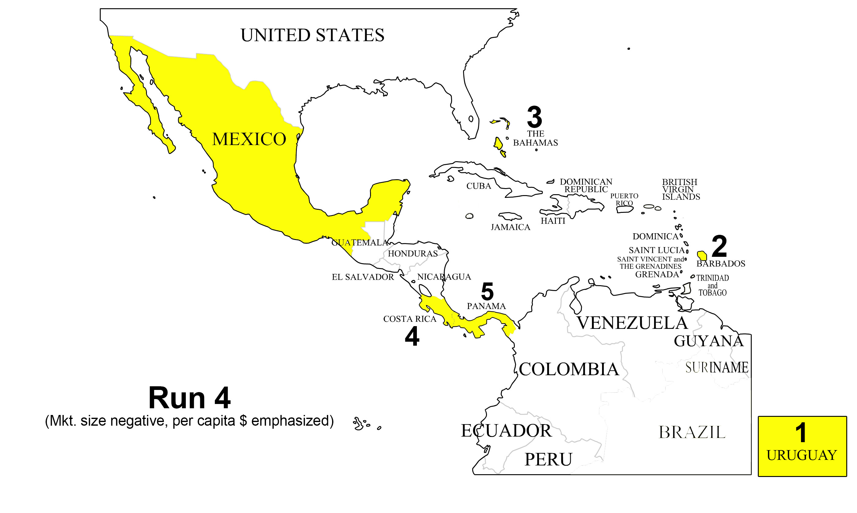

Macro - Urban Population
...
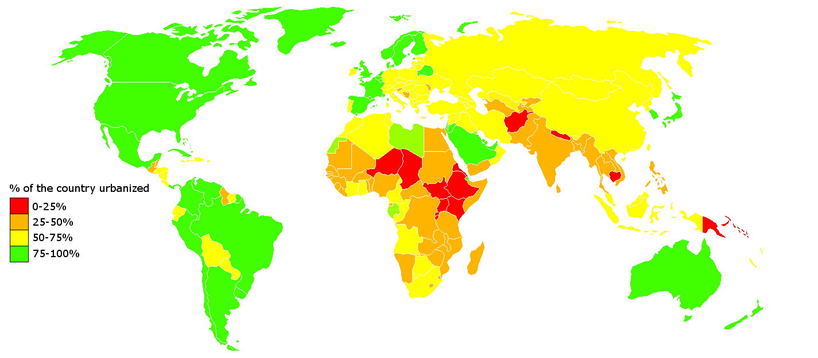
 |  | Score
SCORE +100 to -100 | Weight (copied from master chart)
0.42 | 0.00 | 0.00
64.89 | 0.00 | 0.00
3.04 | 0.00 | 0.00
98.91 | 0.00 | 0.00
0.60 | 0.00 | 0.00
99.83 | 0.00 | 0.00
4.41 | 0.00 | 0.00
63.36 | 0.00 | 0.00
99.41 | 0.00 | 0.00
2.12 | 0.00 | 0.00
0.07 | 0.00 | 0.00
0.01 | 0.00 | 0.00
94.02 | 0.00 | 0.00
76.78 | 0.00 | 0.00
6.38 | 0.00 | 0.00
98.48 | 0.00 | 0.00
0.27 | 0.00 | 0.00
0.77 | 0.00 | 0.00
97.31 | 0.00 | 0.00
9.46 | 0.00 | 0.00
98.97 | 0.00 | 0.00
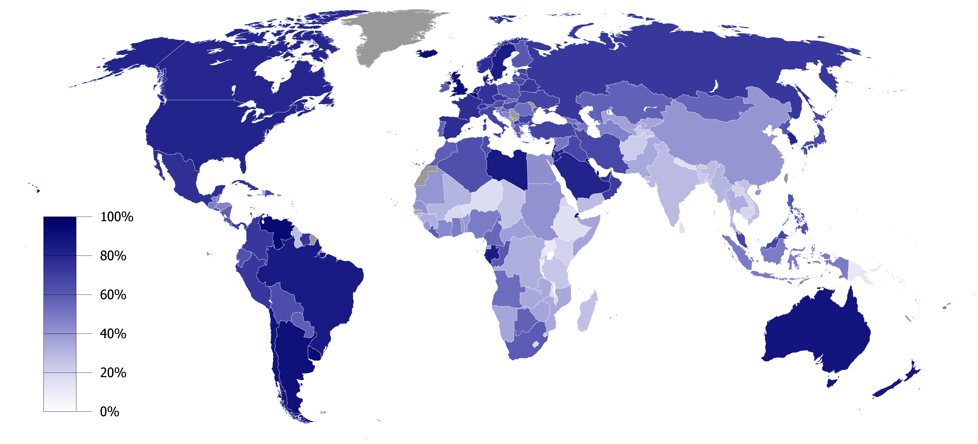
0.30 | 0.00 | 0.00
70.43 | 0.00 | 0.00
77.31 | 0.00 | 0.00
22.24 | 0.00 | 0.00
100.00 | 0.00 | 0.00
93.85 | 0.00 | 0.00
0.02 | 0.00 | 0.00
0.73 | 0.00 | 0.00
38.03 | 0.00 | 0.00
0.95 | 0.00 | 0.00
3.17 | 0.00 | 0.00
99.09 | 0.00 | 0.00
1.43 | 0.00 | 0.00
100.00 | 0.00 | 0.00
0.00 | 0.00 | 0.00
4.27 | 0.00 | 0.00
41.97 | 0.00 | 0.00
26.47 | 0.00 | 0.00
0.80 | 0.00 | 0.00 |  | % of population in urban areas
50.93 | 0.00 | 0.00 |  | http://upload.wikimedia.org/wikipedia/commons/b/b1/Urbanized_population_2006.png
0.47 | 0.00 | 0.00
85.05 | 0.00 | 0.00
0.37 | 0.00 | 0.00
1.34 | 0.00 | 0.00
3.19 | 0.00 | 0.00
3.10 | 0.00 | 0.00
99.27 | 0.00 | 0.00
0.42 | 0.00 | 0.00
0.67 | 0.00 | 0.00
4.09 | 0.00 | 0.00
17.00 | 0.00 | 0.00 | All data capped at max 300M/ country to keep chart range manageable
94.17 | 0.00 | 0.00
83.17 | 0.00 | 0.00
...

Economy Size
...
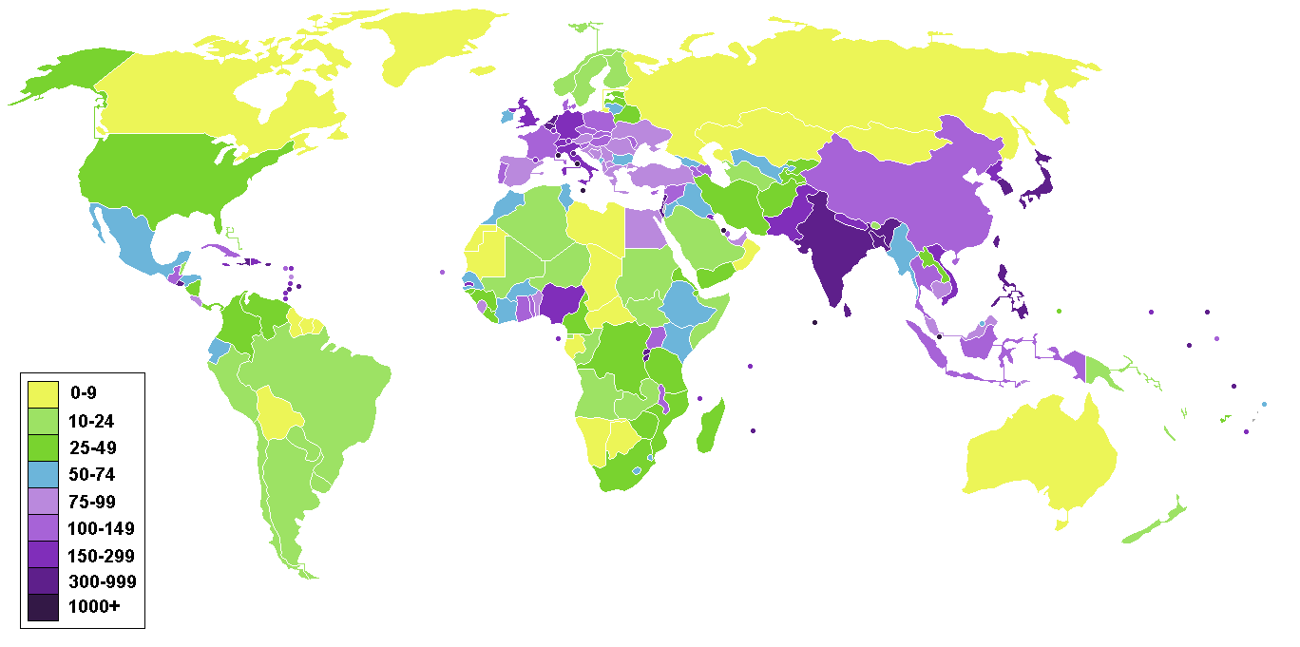
 |  | Score
SCORE +100 to -100 | Weight (copied from master chart)
26.11 | 0.30 | 7.83
60.65 | 0.30 | 18.19
2.47 | 0.30 | 0.74
96.55 | 0.30 | 28.97
0.48 | 0.30 | 0.14
97.70 | 0.30 | 29.31
3.74 | 0.30 | 1.12
69.49 | 0.30 | 20.85
97.30 | 0.30 | 29.19
5.20 | 0.30 | 1.56
1.55 | 0.30 | 0.47
0.38 | 0.30 | 0.12
89.72 | 0.30 | 26.92
23.46 | 0.30 | 7.04
2.56 | 0.30 | 0.77
94.65 | 0.30 | 28.40
0.37 | 0.30 | 0.11
1.99 | 0.30 | 0.60
96.64 | 0.30 | 28.99
72.10 | 0.30 | 21.63
94.20 | 0.30 | 28.26
9.60 | 0.30 | 2.88
51.03 | 0.30 | 15.31
57.99 | 0.30 | 17.40
14.39 | 0.30 | 4.32
99.63 | 0.30 | 29.89
61.20 | 0.30 | 18.36
0.27 | 0.30 | 0.08
62.06 | 0.30 | 18.62
32.05 | 0.30 | 9.61
10.89 | 0.30 | 3.27
7.49 | 0.30 | 2.25
97.31 | 0.30 | 29.19
1.65 | 0.30 | 0.49
100.00 | 0.30 | 30.00
4.90 | 0.30 | 1.47
2.85 | 0.30 | 0.86
65.20 | 0.30 | 19.56
8.55 | 0.30 | 2.57
0.00 | 0.30 | 0.00
0.04 | 0.30 | 0.01
...

Risk - Country
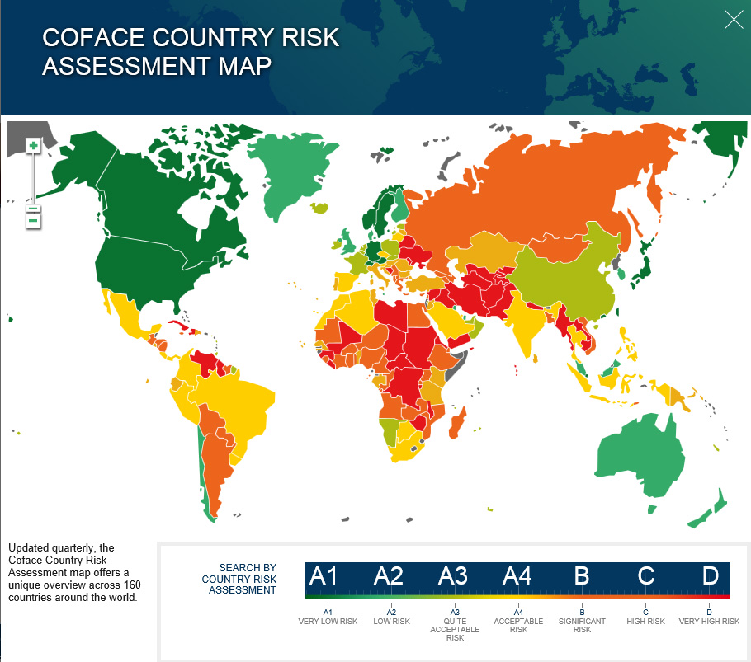
...
 | Score
Weight (copied from master chart) |  | Enter here values for letter conversion to numbers
0.35 | 35.00 | A1 | 100
0.35 | 7.00 | A2 | 95
0.35 | 7.00 | A3 | 90
0.35 | 0.00 | A4 | 85
0.35 | 21.00 | B | 80
0.35 | 0.00 | C | 70
0.35 | 7.00 | D | 60
0.35 | 21.00 | na | 75
0.35 | 0.00 | E | 50
0.35 | 28.00
0.35 | 35.00
0.35 | 7.00
0.35 | 0.00
0.35 | 7.00
0.35 | 7.00
0.35 | 0.00
0.35 | 21.00
0.35 | 28.00
0.35 | 0.00
0.35 | 7.00
0.35 | 0.00
0.35 | 7.00
0.35 | 7.00
0.35 | 14.00
0.35 | 7.00
0.35 | 21.00
0.35 | 0.00
0.35 | 14.00
0.35 | 7.00
0.35 | 7.00
0.35 | 7.00
0.35 | 21.00
0.35 | 21.00
0.35 | 21.00
0.35 | 7.00
0.35 | 21.00
0.35 | 14.00
0.35 | 7.00
0.35 | 14.00
0.35 | 7.00
0.35 | 7.00
0.35 | 35.00
...

Risk - Banking
...
