Global Opportunity Ranking
Country | Score from median (range = +/- 100) | Score from mean (range = +/- 100) | <-- Note: Please resort this chart after criteria changes. |  | Enter Weights Here
United States | 100 | 100 |  |  | Sector | Sector Weight (%) | Indicator | Indicator Weight (%)
Germany | 41 | 44 |  |  | Macroeconomics | 15% | Wealth | 25%
France | 34 | 38 |  |  |  |  | Growth | 20%
Canada | 31 | 35 |  |  |  |  | Growth Projection | 25%
United Kingdom | 31 | 35 |  |  |  |  | Population | 5%
Netherlands | 30 | 34 |  |  |  |  | Economy Size | 25% | <-- automatically calculated as remainder | #VALUE!
Japan | 30 | 34
China | 29 | 34 |  |  | Commerce & Trade | 50% | 1-Military Spending | 10%
Australia | 27 | 32 |  |  |  |  | 2-Natural Gas Production | 15%
Norway | 25 | 30 |  |  |  |  | 3-IT Development Index | 15%
Denmark | 21 | 26 |  |  |  |  | 4-Medical Technology Imports from US | 10%
Spain | 20 | 24 |  |  |  |  | 5-Aircraft Exports | 15%
Austria | 19 | 24 |  |  |  |  | 6-Network Readiness Index | 10%
New Zealand | 17 | 22 |  |  |  |  | 7-Crude Oil Production | 15%
Italy | 14 | 20 |  |  |  |  | 8-Commercial Bank Branches | 15% | <-- automatically calculated as remainder
South Korea | 14 | 19
Switzerland | 12 | 18
Israel | 12 | 17 |  |  | Risk | 35% | Country Risk | 35%
Ireland | 12 | 17 |  |  |  |  | Business Climate | 40%
Belgium | 11 | 17 |  |  |  |  | Banking Risk | 25% | <-- automatically calculated as remainder
Chile | 10 | 15
Top 10 Opportunity Scores
Germany |  |  |  |  |  |  |  |  |  | 41
France |  |  |  |  |  |  |  |  |  | 34
Canada |  |  |  |  |  |  |  |  |  | 31
United Kingdom |  |  |  |  |  |  |  |  |  | 31
Netherlands |  |  |  |  |  |  |  |  |  | 30
Japan |  |  |  |  |  |  |  |  |  | 30
China |  |  |  |  |  |  |  |  |  | 29
Australia |  |  |  |  |  |  |  |  |  | 27
Norway |  |  |  |  |  |  |  |  |  | 25
Denmark |  |  |  |  |  |  |  |  |  | 21
Spain |  |  |  |  |  |  |  |  |  | 20
Sweden | 9 | 15
Poland | 8 | 14
United Arab Emirates | 8 | 14
Singapore | 6 | 12
Chinese Taipei (Taiwan) | 5 | 10
Saudi Arabia | 1 | 7
Finland | (0) | 6
Malaysia | (0) | 6
Czech Republic | (1) | 6
Hong Kong (China) | (3) | 4
Qatar | (4) | 3
Slovakia | (4) | 3
Luxembourg | (5) | 2
Estonia | (5) | 2
Mexico | (5) | 2
Lithuania | (6) | 2
Kuwait | (6) | 2
India | (6) | 1
Hungary | (7) | 0
Romania | (8) | (1)
Thailand | (9) | (1)
Slovenia | (9) | (2)
Colombia | (10) | (2)
Malta | (13) | (6)
Turkey | (13) | (6)
Oman | (14) | (7)
Brazil | (14) | (7)
Russia | (16) | (9)
Bulgaria | (17) | (11)
Bahrain | (18) | (11)
Croatia | (18) | (12)
Portugal | (18) | (12)
Iceland | (19) | (12)
Indonesia | (19) | (12)
Latvia | (19) | (13)
Kazakhstan | (22) | (15)
Philippines | (22) | (16)
Peru | (23) | (16)
Argentina | (26) | (20)
Greece | (26) | (20)
South Africa | (27) | (22)
Morocco | (28) | (23)
Serbia (excluding Kosovo) | (30) | (24)
Trinidad and Tobago | (31) | (25)
Algeria | (31) | (26)
Costa Rica | (31) | (26)
Panama | (33) | (28)
Mauritius | (36) | (30)
Tunisia | (37) | (31)
Cyprus | (38) | (33)
Brunei | (38) | (33)
Cayman Islands | (38) | (33)
Albania | (39) | (34)
Macau (China) | (39) | (34)
British Virgin Islands | (39) | (34)
Uruguay | (39) | (35)
Barbados | (40) | (35)
Jordan | (40) | (35)
Vietnam | (41) | (36)
Ecuador | (41) | (36)
Georgia | (42) | (38)
Côte d'Ivoire | (43) | (39)
Egypt | (44) | (39)
Puerto Rico (US) | (44) | (39)
Ghana | (45) | (40)
Botswana | (46) | (42)
Senegal | (47) | (43)
Iran | (47) | (43)
Republic of Moldova | (48) | (43)
Papua New Guinea | (48) | (44)
Bangladesh | (48) | (44)
Azerbaijan | (48) | (44)
Pakistan | (50) | (46)
Namibia | (52) | (48)
Bolivia | (52) | (48)
Montenegro | (54) | (50)
Kyrgyzstan | (54) | (50)
Gabon | (54) | (50)
Dominican Republic | (55) | (52)
Sri Lanka | (55) | (52)
Uzbekistan | (56) | (52)
Ukraine | (56) | (52)
Cameroon | (56) | (53)
Bosnia and Herzegovina | (56) | (53)
Belarus | (57) | (53)
Turkmenistan | (58) | (54)
Guatemala | (58) | (55)
Equatorial Guinea | (59) | (56)
Tanzania | (60) | (57)
Kenya | (61) | (58)
Belize | (62) | (59)
French Polynesia | (63) | (60)
El Salvador | (64) | (61)
Niger | (64) | (61)
New Caledonia (France) | (64) | (61)
Nigeria | (64) | (61)
Myanmar | (65) | (62)
Angola | (65) | (62)
The Bahamas | (65) | (62)
Paraguay | (66) | (63)
Andorra | (66) | (63)
Lebanon | (66) | (63)
Fiji | (66) | (64)
Honduras | (67) | (64)
Libya | (68) | (65)
Guyana | (68) | (65)
Saint Kitts and Nevis | (69) | (67)
Burkina Faso | (70) | (67)
Republic of the Congo | (70) | (68)
Gibraltar (UK) | (70) | (68)
Suriname | (70) | (68)
Dem. Rep. of Congo | (71) | (69)
Grenada | (71) | (69)
Bermuda (UK) | (72) | (70)
Saint Lucia | (73) | (71)
Antigua and Barbuda | (73) | (71)
Cuba | (73) | (71)
Dominica | (73) | (71)
Tajikistan | (74) | (72)
Aruba (Netherlands) | (74) | (72)
Mongolia | (74) | (72)
Iraq | (74) | (72)
Turks and Caicos Islands (UK) | (74) | (72)
Saint Vincent and the Grenadines | (75) | (73)
Benin | (75) | (73)
Netherlands Antilles | (76) | (74)
Jamaica | (76) | (74)
Marshall Islands | (76) | (74)
Nepal | (78) | (76)
Armenia | (78) | (76)
Laos | (79) | (77)
Cambodia | (80) | (79)
Zambia | (81) | (79)
North Korea | (81) | (79)
Togo | (81) | (79)
Sudan | (82) | (80)
Uganda | (82) | (81)
Nicaragua | (82) | (81)
Venezuela | (86) | (84)
Rwanda | (86) | (85)
Madagascar | (87) | (86)
Syria | (87) | (86)
Afghanistan | (89) | (88)
Mali | (89) | (88)
Mauritania | (90) | (89)
Ethiopia | (90) | (89)
Yemen | (93) | (92) | This is with regard to column "E"
Guinea | (93) | (92)
Malawi | (94) | (94)
Zimbabwe | (95) | (95)
Haiti | (95) | (95) |  | mean = 0
Liberia | (97) | (97) |  | 7.72
Mozambique | (100) | (100) |  | 5.83

Global Opportunity Map
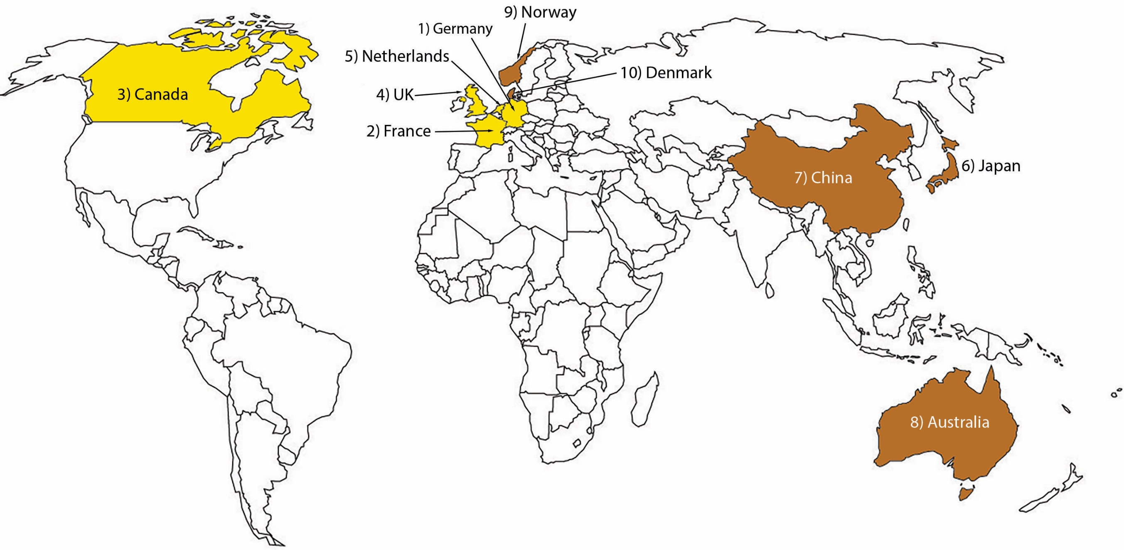

Americas Opportunity Ranking
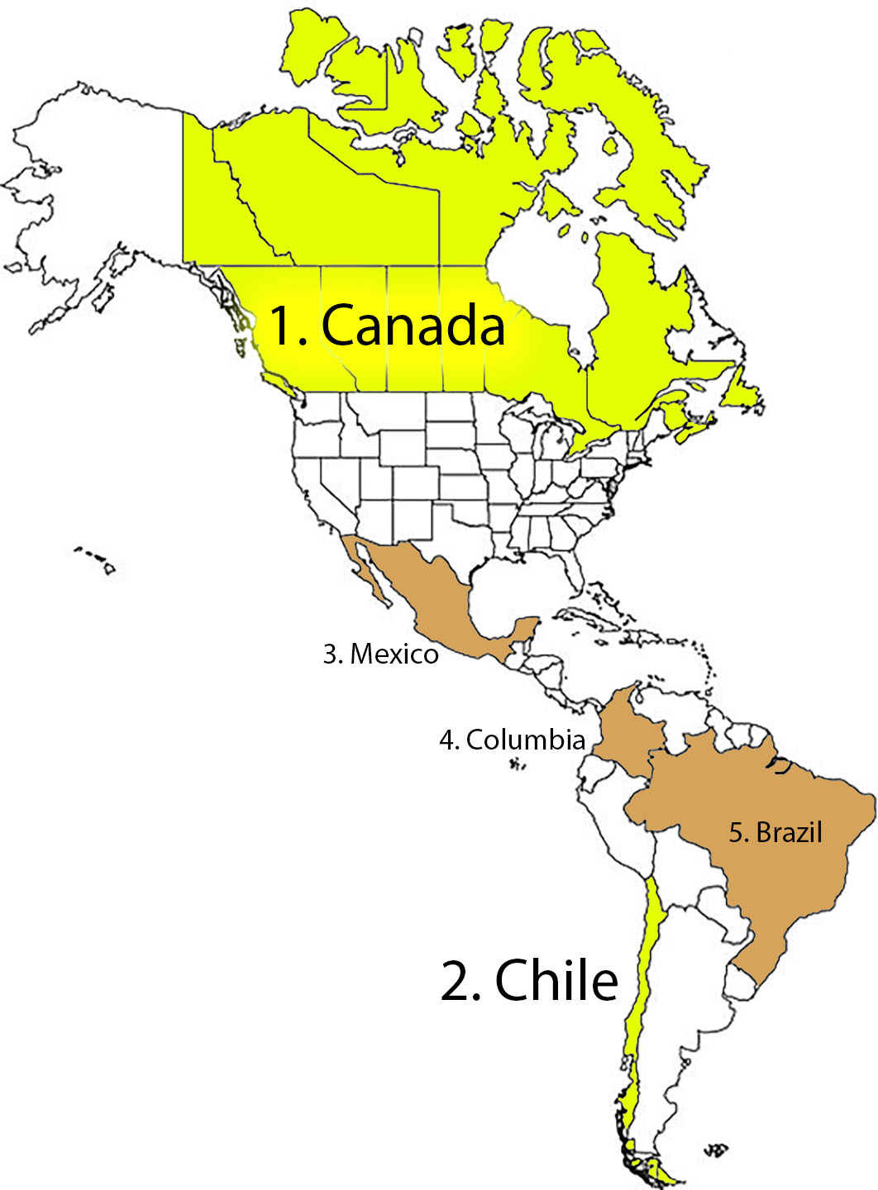
Country | Score from median (range = +/- 100)
United States | 100
Canada | 31
Chile | 10
Mexico | (5)
Colombia | (10)
Brazil | (14)
Peru | (23)
Argentina | (26)
Trinidad and Tobago | (31)
Costa Rica | (31)
Panama | (33)
Cayman Islands | (38)
British Virgin Islands | (39)
Uruguay | (39)
Barbados | (40)
Ecuador | (41)
Puerto Rico (US) | (44)
Bolivia | (52)
Dominican Republic | (55)
Guatemala | (58)
Belize | (62)
El Salvador | (64)
The Bahamas | (65)
Paraguay | (66)
Honduras | (67)
Guyana | (68)
Saint Kitts and Nevis | (69)
Grenada | (71)
Bermuda (UK) | (72)
Saint Lucia | (73)
Antigua and Barbuda | (73)
Cuba | (73)
Dominica | (73)
Aruba (Netherlands) | (74)
Turks and Caicos Islands (UK) | (74)
Saint Vincent and the Grenadines | (75)
Netherlands Antilles | (76)
Jamaica | (76)
Nicaragua | (82)
Venezuela | (86)
Haiti | (95)

Macro - Wealth
Country | Wealth
 | Data | Scoring Adjustment |  |  |  | Score
 | GDP Per capita | (Raw Data/ Mean) | Median = 0 | SCORE +100 to -100 | Weight (copied from master chart)
Afghanistan | $2,065 | 0.14 | 0.86 | 92.83 | 0.25 | 23.21
Albania | $13,965 | 0.93 | 0.07 | 7.97 | 0.25 | 1.99
Algeria | $11,511 | 0.76 | 0.24 | 25.47 | 0.25 | 6.37
Andorra | $49,900 | 3.31 | 2.31 | 31.98 | 0.25 | 7.99
Angola | $6,670 | 0.44 | 0.56 | 59.99 | 0.25 | 15.00
Antigua and Barbuda | $21,910 | 1.45 | 0.45 | 6.27 | 0.25 | 1.57
Argentina | $22,064 | 1.46 | 0.46 | 6.41 | 0.25 | 1.60
Armenia | $13,654 | 0.91 | 0.09 | 10.19 | 0.25 | 2.55
Aruba (Netherlands) | $37,500 | 2.49 | 1.49 | 20.59 | 0.25 | 5.15
Australia | $49,854 | 3.31 | 2.31 | 31.93 | 0.25 | 7.98
Austria | $56,188 | 3.73 | 2.73 | 37.75 | 0.25 | 9.44
Azerbaijan | $14,404 | 0.95 | 0.05 | 4.84 | 0.25 | 1.21
The Bahamas | $37,101 | 2.46 | 1.46 | 20.22 | 0.25 | 5.06
Bahrain | $45,011 | 2.98 | 1.98 | 27.49 | 0.25 | 6.87
Bangladesh | $4,754 | 0.32 | 0.68 | 73.66 | 0.25 | 18.41
Barbados | $15,639 | 1.04 | 0.04 | 0.51 | 0.25 | 0.13
Belarus | $19,150 | 1.27 | 0.27 | 3.74 | 0.25 | 0.93
Belgium | $51,934 | 3.44 | 2.44 | 33.84 | 0.25 | 8.46
Belize | $7,005 | 0.46 | 0.54 | 57.61 | 0.25 | 14.40
Benin | $3,287 | 0.22 | 0.78 | 84.12 | 0.25 | 21.03
Bermuda (UK) | $81,798 | 5.42 | 4.42 | 61.27 | 0.25 | 15.32
Bolivia | $8,724 | 0.58 | 0.42 | 45.35 | 0.25 | 11.34
Bosnia and Herzegovina | $14,912 | 0.99 | 0.01 | 1.22 | 0.25 | 0.30
Botswana | $17,767 | 1.18 | 0.18 | 2.47 | 0.25 | 0.62
Brazil | $14,652 | 0.97 | 0.03 | 3.07 | 0.25 | 0.77
British Virgin Islands | $34,200 | 2.27 | 1.27 | 17.56 | 0.25 | 4.39
Brunei | $62,100 | 4.12 | 3.12 | 43.18 | 0.25 | 10.80
Bulgaria | $23,174 | 1.54 | 0.54 | 7.43 | 0.25 | 1.86
Burkina Faso | $2,178 | 0.14 | 0.86 | 92.03 | 0.25 | 23.01
Cambodia | $4,389 | 0.29 | 0.71 | 76.26 | 0.25 | 19.07
Cameroon | $3,642 | 0.24 | 0.76 | 81.59 | 0.25 | 20.40
...
 |  |  |  |  |  | Score
 |  |  |  | SCORE +100 to -100 | Weight (copied from master chart)
 |  |  |  | 14.30 | 0.25 | 3.57
 |  |  |  | 79.33 | 0.25 | 19.83
 |  |  |  | 1.32 | 0.25 | 0.33
 |  |  |  | 35.04 | 0.25 | 8.76
 |  |  |  | 49.18 | 0.25 | 12.29
 |  |  |  | 86.88 | 0.25 | 21.72
 |  |  |  | 83.46 | 0.25 | 20.86
 |  |  |  | 3.10 | 0.25 | 0.78
 |  |  |  | 96.17 | 0.25 | 24.04
 |  |  |  | 10.19 | 0.25 | 2.55
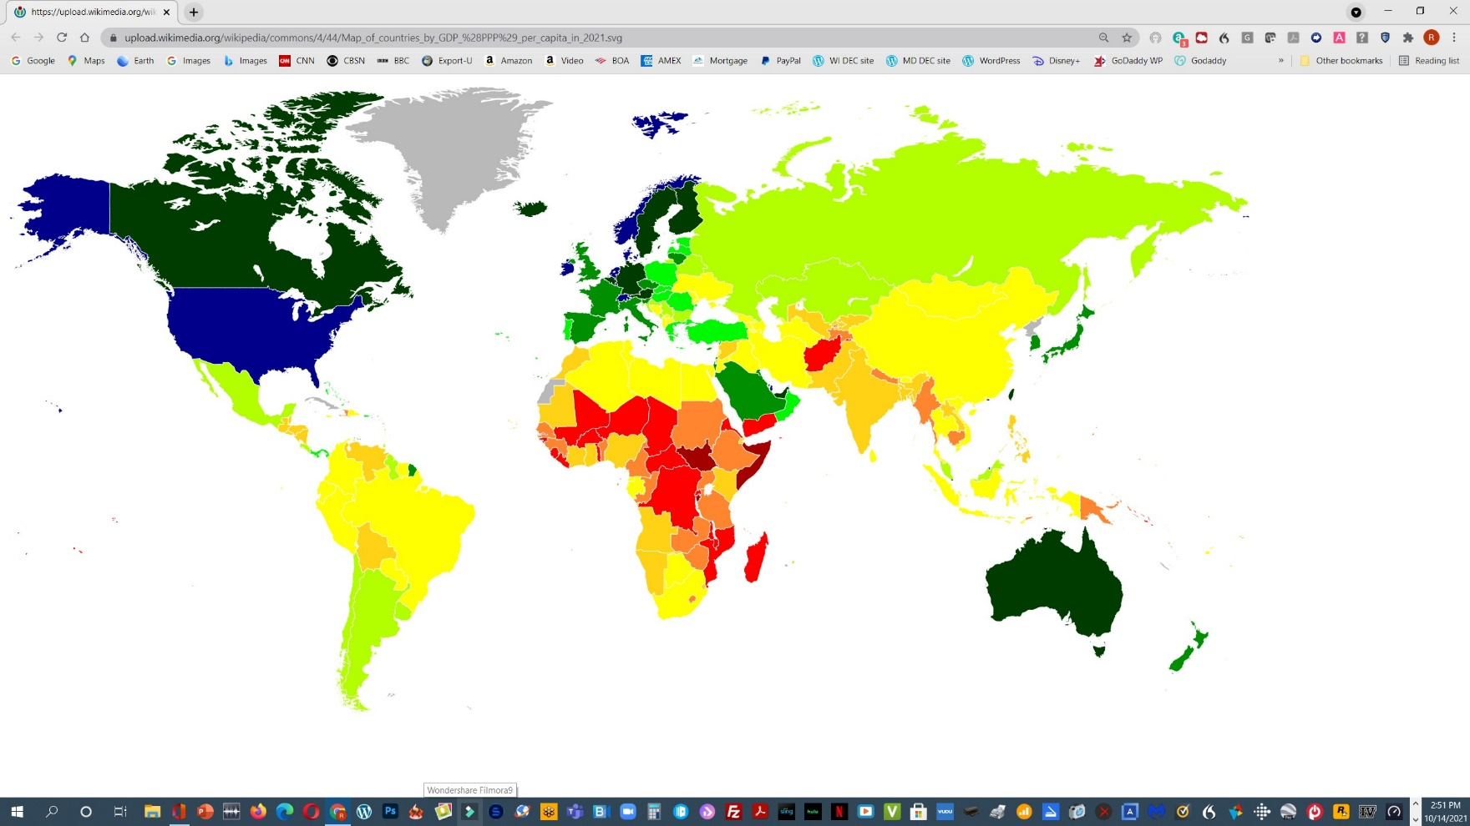
 |  |  |  | 30.86 | 0.25 | 7.71
 |  |  |  | 12.25 | 0.25 | 3.06
 |  |  |  | 1.70 | 0.25 | 0.42
 |  |  |  | 13.01 | 0.25 | 3.25
 |  |  |  | 91.96 | 0.25 | 22.99
 |  |  |  | 16.21 | 0.25 | 4.05
 |  |  |  | 47.79 | 0.25 | 11.95
 |  |  |  | 29.00 | 0.25 | 7.25
 |  |  |  | 88.59 | 0.25 | 22.15
 |  |  |  | 43.58 | 0.25 | 10.89
 |  |  |  | 5.95 | 0.25 | 1.49
 |  |  |  | 57.65 | 0.25 | 14.41
 |  |  |  | 52.62 | 0.25 | 13.16
 |  |  |  | 50.22 | 0.25 | 12.55
 |  |  |  | 89.73 | 0.25 | 22.43
 |  |  |  | 82.81 | 0.25 | 20.70
 |  |  |  | 87.34 | 0.25 | 21.83
...

Macro - Population
...
 |  |  | Score
Median = 0 | SCORE +100 to -100 | Weight (copied from master chart)
0.71 | 71.16 | 0.05 | 3.56
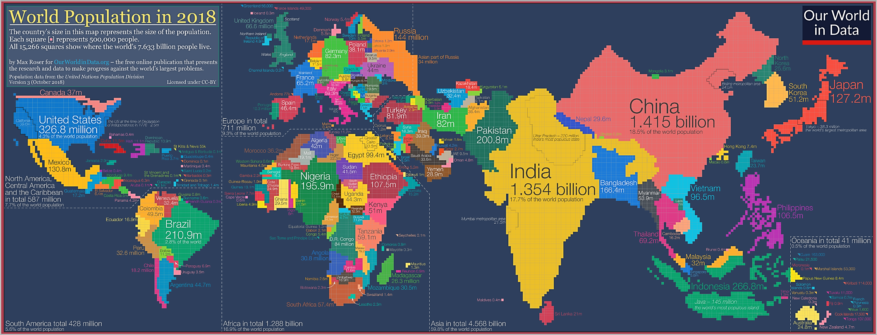
3.43 | 2.37 | 0.05 | 0.12
3.43 | 2.37 | 0.05 | 0.12
0.99 | 99.52 | 0.05 | 4.98
2.32 | 1.61 | 0.05 | 0.08
0.99 | 99.31 | 0.05 | 4.97
3.56 | 2.47 | 0.05 | 0.12
0.70 | 70.30 | 0.05 | 3.51
0.99 | 99.22 | 0.05 | 4.96
1.57 | 1.09 | 0.05 | 0.05
0.09 | 9.10 | 0.05 | 0.45
0.02 | 0.02 | 0.05 | 0.00
0.96 | 96.32 | 0.05 | 4.82
0.83 | 83.07 | 0.05 | 4.15
15.63 | 10.83 | 0.05 | 0.54
0.97 | 97.40 | 0.05 | 4.87
0.05 | 4.61 | 0.05 | 0.23
0.17 | 0.12 | 0.05 | 0.01
0.96 | 96.28 | 0.05 | 4.81
0.22 | 0.16 | 0.05 | 0.01
0.99 | 99.68 | 0.05 | 4.98
0.18 | 0.12 | 0.05 | 0.01
0.67 | 67.08 | 0.05 | 3.35
0.76 | 76.49 | 0.05 | 3.82
20.46 | 14.18 | 0.05 | 0.71
1.00 | 100.00 | 0.05 | 5.00
0.96 | 95.88 | 0.05 | 4.79
0.30 | 29.94 | 0.05 | 1.50
1.11 | 0.77 | 0.05 | 0.04
0.69 | 0.48 | 0.05 | 0.02
1.68 | 1.16 | 0.05 | 0.06
2.81 | 1.95 | 0.05 | 0.10
0.99 | 99.64 | 0.05 | 4.98
0.93 | 0.64 | 0.05 | 0.03
144.32 | 100.00 | 0.05 | 5.00
1.40 | 0.97 | 0.05 | 0.05
...

1-Military Spending
...
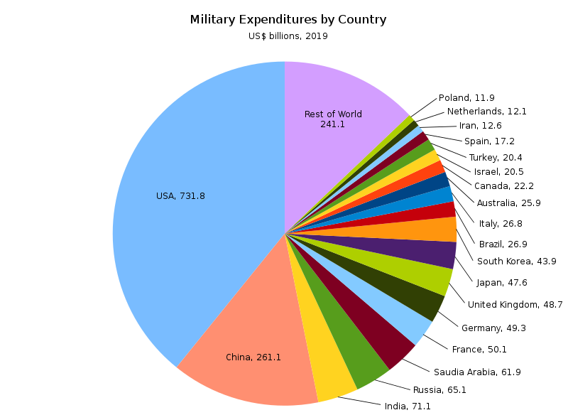
Scoring Adjustment (US and China removed so as not to distort other scores) |  |  |  |  | Score
(Data/ Median) | Median = 0 | Reciprocal | SCORE +100 to -100 | Weight (copied from master chart)
0.05 | 0.95 | 0.10 | 94.64 | 0.10 | 9.46
0.04 | 0.96 | 0.96 | 95.74 | 0.10 | 9.57
1.86 | 0.86 | 0.86 | 6.64 | 0.10 | 0.66
0.19 | 0.81 | 0.81 | 80.95 | 0.10 | 8.10
0.00 | 1.00 | 1.00 | 7.71 | 0.10 | 0.77
0.00 | 1.00 | 1.00 | 100.00 | 0.10 | 10.00
0.56 | 0.44 | 0.44 | 44.27 | 0.10 | 4.43
0.12 | 0.88 | 0.88 | 87.85 | 0.10 | 8.78
0.00 | 1.00 | 1.00 | 100.00 | 0.10 | 10.00
5.28 | 4.28 | 4.28 | 32.98 | 0.10 | 3.30
0.69 | 0.31 | 0.31 | 30.96 | 0.10 | 3.10
0.43 | 0.57 | 0.57 | 57.11 | 0.10 | 5.71
0.00 | 1.00 | 1.00 | 100.00 | 0.10 | 10.00
0.27 | 0.73 | 0.73 | 73.07 | 0.10 | 7.31
0.87 | 0.13 | 0.13 | 12.63 | 0.10 | 1.26
0.00 | 1.00 | 1.00 | 100.00 | 0.10 | 10.00
0.16 | 0.84 | 0.84 | 83.81 | 0.10 | 8.38
1.05 | 0.05 | 0.05 | 0.36 | 0.10 | 0.04
0.00 | 1.00 | 1.00 | 99.53 | 0.10 | 9.95
0.01 | 0.99 | 0.99 | 98.62 | 0.10 | 9.86
0.00 | 1.00 | 1.00 | 100.00 | 0.10 | 10.00
0.12 | 0.88 | 0.88 | 88.33 | 0.10 | 8.83
0.03 | 0.97 | 0.97 | 96.79 | 0.10 | 9.68
0.10 | 0.90 | 0.90 | 89.54 | 0.10 | 8.95
3.78 | 2.78 | 2.78 | 21.46 | 0.10 | 2.15
0.00 | 1.00 | 1.00 | 100.00 | 0.10 | 10.00
0.08 | 0.92 | 0.92 | 91.63 | 0.10 | 9.16
0.24 | 0.76 | 0.76 | 76.09 | 0.10 | 7.61
0.07 | 0.93 | 0.93 | 92.67 | 0.10 | 9.27 | Please Note: this pie-chart shows 2019 data, not 2020 estimate as per the spreadsheet
0.12 | 0.88 | 0.88 | 87.60 | 0.10 | 8.76
0.08 | 0.92 | 0.92 | 92.46 | 0.10 | 9.25
4.36 | 3.36 | 3.36 | 25.92 | 0.10 | 2.59
0.00 | 1.00 | 1.00 | 100.00 | 0.10 | 10.00
0.88 | 0.12 | 0.12 | 11.81 | 0.10 | 1.18

2.33 | 1.33 | 1.33 | 10.25 | 0.10 | 1.03
1.77 | 0.77 | 0.77 | 5.91 | 0.10 | 0.59
...

4- Motor Vehicle Production
...
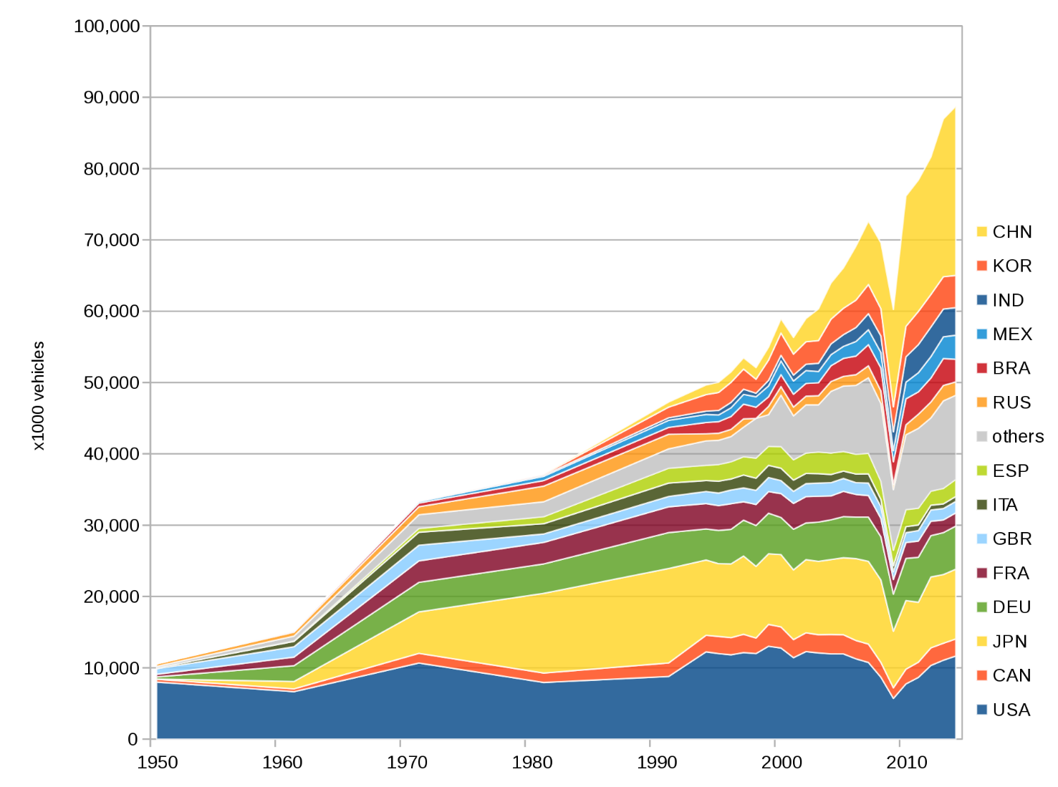
 |  |  |  | Score
Mean = 0 | Reciprocal | SCORE +100 to -100 | Weight (copied from master chart)
0.99 | 0.99 | 98.93 | 0.10 | 9.89
1.00 | 1.00 | 99.82 | 0.10 | 9.98
0.94 | 0.94 | 93.97 | 0.10 | 9.40
1.00 | 1.00 | 100.00 | 0.10 | 10.00
1.00 | 1.00 | 99.51 | 0.10 | 9.95
0.99 | 0.99 | 98.60 | 0.10 | 9.86
0.06 | 0.06 | 6.28 | 0.10 | 0.63
0.99 | 0.99 | 98.93 | 0.10 | 9.89
0.98 | 0.98 | 97.57 | 0.10 | 9.76
4.70 | 4.70 | 24.00 | 0.10 | 2.40
0.65 | 0.65 | 64.53 | 0.10 | 6.45
0.98 | 0.98 | 97.61 | 0.10 | 9.76
0.93 | 0.93 | 93.01 | 0.10 | 9.30
0.96 | 0.96 | 96.28 | 0.10 | 9.63
0.94 | 0.94 | 93.85 | 0.10 | 9.38
0.96 | 0.96 | 96.25 | 0.10 | 9.63
0.97 | 0.97 | 96.63 | 0.10 | 9.66
18.85 | 18.85 | 96.33 | 0.10 | 9.63
0.96 | 0.96 | 96.35 | 0.10 | 9.64
1.00 | 1.00 | 99.96 | 0.10 | 10.00
0.97 | 0.97 | 97.18 | 0.10 | 9.72
0.92 | 0.92 | 92.21 | 0.10 | 9.22
0.99 | 0.99 | 99.36 | 0.10 | 9.94
1.00 | 1.00 | 99.75 | 0.10 | 9.98
4.35 | 4.35 | 22.23 | 0.10 | 2.22
0.98 | 0.98 | 97.76 | 0.10 | 9.78
0.98 | 0.98 | 97.53 | 0.10 | 9.75 | Countries by volume of production since 1950
0.97 | 0.97 | 96.63 | 0.10 | 9.66
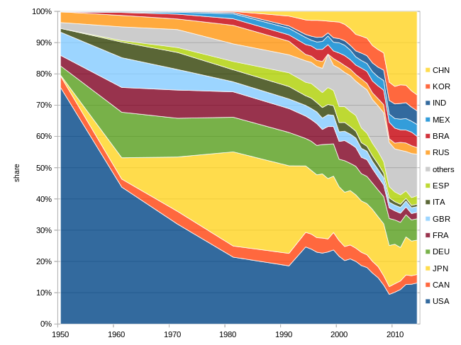
0.99 | 0.99 | 99.09 | 0.10 | 9.91
1.00 | 1.00 | 99.53 | 0.10 | 9.95
1.00 | 1.00 | 99.87 | 0.10 | 9.99
12.18 | 12.18 | 62.24 | 0.10 | 6.22
0.99 | 0.99 | 98.61 | 0.10 | 9.86
0.09 | 0.09 | 0.45 | 0.10 | 0.05
11.77 | 11.77 | 60.14 | 0.10 | 6.01
0.44 | 0.44 | 2.25 | 0.10 | 0.23
0.45 | 0.45 | 2.30 | 0.10 | 0.23
1.00 | 1.00 | 99.99 | 0.10 | 10.00
0.71 | 0.71 | 3.61 | 0.10 | 0.36
1.00 | 1.00 | 99.90 | 0.10 | 9.99
0.97 | 0.97 | 97.16 | 0.10 | 9.72
0.97 | 0.97 | 97.08 | 0.10 | 9.71
0.99 | 0.99 | 98.75 | 0.10 | 9.88
0.79 | 0.79 | 79.11 | 0.10 | 7.91
1.00 | 1.00 | 99.93 | 0.10 | 9.99
1.00 | 1.00 | 99.98 | 0.10 | 10.00
0.45 | 0.45 | 44.55 | 0.10 | 4.45
0.99 | 0.99 | 98.77 | 0.10 | 9.88
0.68 | 0.68 | 3.48 | 0.10 | 0.35
0.68 | 0.68 | 67.63 | 0.10 | 6.76
0.76 | 0.76 | 75.77 | 0.10 | 7.58
0.92 | 0.92 | 91.58 | 0.10 | 9.16
1.00 | 1.00 | 99.97 | 0.10 | 10.00
0.97 | 0.97 | 97.25 | 0.10 | 9.72
0.99 | 0.99 | 99.27 | 0.10 | 9.93
1.00 | 1.00 | 99.98 | 0.10 | 10.00 | List of countries by produced vehicles per 1,000 people in [51]
0.76 | 0.76 | 76.48 | 0.10 | 7.65
2.18 | 2.18 | 11.14 | 0.10 | 1.11
1.00 | 1.00 | 99.82 | 0.10 | 9.98
1.00 | 1.00 | 99.67 | 0.10 | 9.97
0.98 | 0.98 | 98.07 | 0.10 | 9.81
10.98 | 10.98 | 56.11 | 0.10 | 5.61
0.99 | 0.99 | 99.17 | 0.10 | 9.92
1.00 | 1.00 | 99.93 | 0.10 | 9.99
...

5- Aircraft Exports
...
 |  |  | Score
Median = 0 | SCORE +100 to -100 | Weight (copied from master chart)
(0.36) | 36.14 | 0.15 | (5.4)
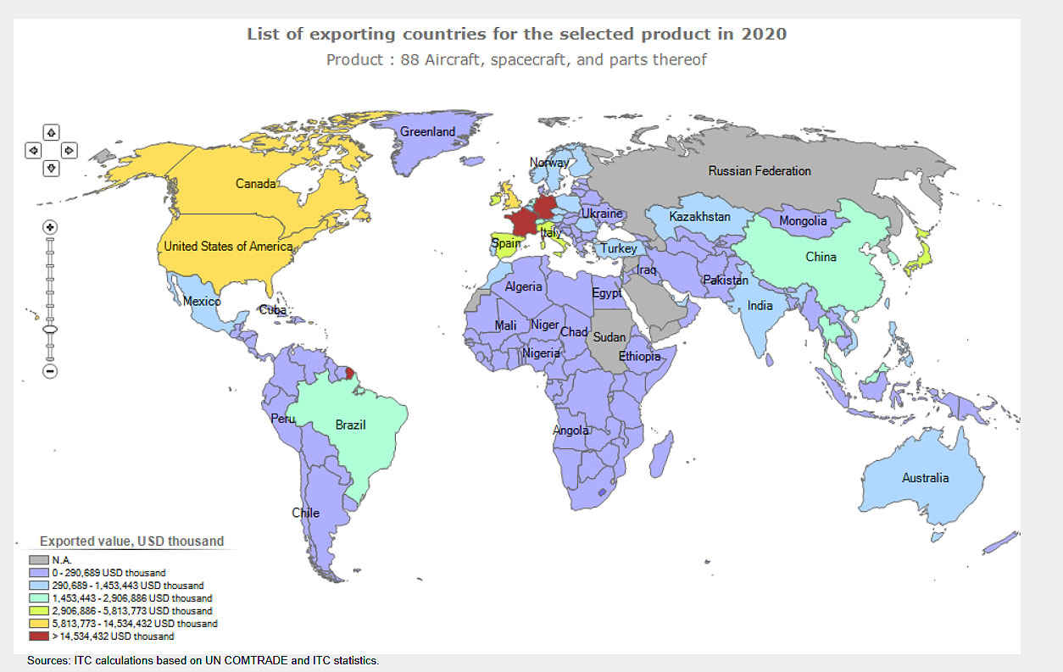
0.17 | 0.00 | 0.15 | 0.0
1.89 | 0.01 | 0.15 | 0.0
(1.00) | 99.80 | 0.15 | (15.0)
0.76 | 0.00 | 0.15 | 0.0
(0.99) | 99.10 | 0.15 | (14.9)
0.86 | 0.00 | 0.15 | 0.0
(1.00) | 99.90 | 0.15 | (15.0)
(0.99) | 99.10 | 0.15 | (14.9)
1,360.24 | 4.68 | 0.15 | 0.7
1,017.10 | 3.50 | 0.15 | 0.5
(0.99) | 99.10 | 0.15 | (14.9)
(0.96) | 95.60 | 0.15 | (14.3)
4.58 | 0.02 | 0.15 | 0.0
23.31 | 0.08 | 0.15 | 0.0
(0.08) | 8.31 | 0.15 | (1.2)
8.87 | 0.03 | 0.15 | 0.0
714.93 | 2.46 | 0.15 | 0.4
(0.46) | 46.35 | 0.15 | (7.0)
(0.99) | 99.00 | 0.15 | (14.8)
(0.88) | 87.99 | 0.15 | (13.2)
25.89 | 0.09 | 0.15 | 0.0
(0.04) | 3.80 | 0.15 | (0.6)
0.06 | 0.00 | 0.15 | 0.0
2,397.16 | 8.25 | 0.15 | 1.2
(1.00) | 99.90 | 0.15 | (15.0)
6.87 | 0.02 | 0.15 | 0.0
68.78 | 0.24 | 0.15 | 0.0
0.22 | 0.00 | 0.15 | 0.0
(0.99) | 98.60 | 0.15 | (14.8)
10.85 | 0.04 | 0.15 | 0.0
9,647.05 | 33.19 | 0.15 | 5.0
...

Risk - Country
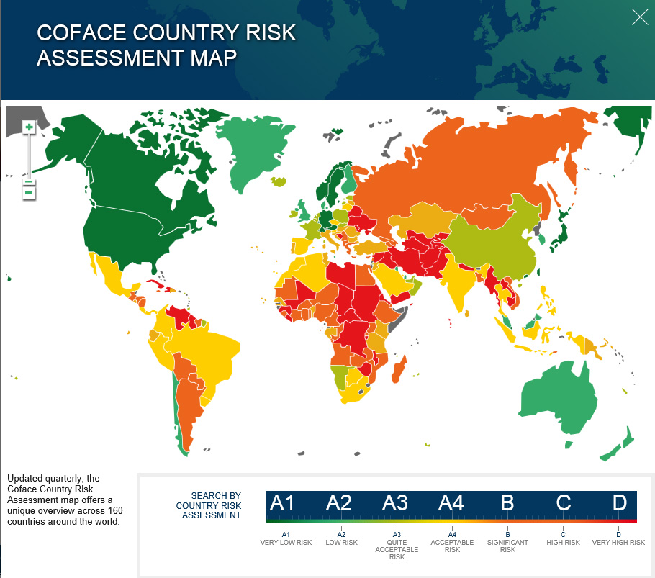
...
 | Score
Weight (copied from master chart) |  | Enter here values for letter conversion to numbers
0.35 | 35.00 | A1 | 100
0.35 | 7.00 | A2 | 95
0.35 | 7.00 | A3 | 90
0.35 | 0.00 | A4 | 85
0.35 | 21.00 | B | 80
0.35 | 0.00 | C | 70
0.35 | 7.00 | D | 60
0.35 | 21.00 | na | 75
0.35 | 0.00 | E | 50
0.35 | 28.00
0.35 | 35.00
0.35 | 7.00
0.35 | 0.00
0.35 | 7.00
0.35 | 7.00
0.35 | 0.00
0.35 | 21.00
0.35 | 28.00
0.35 | 0.00
0.35 | 7.00
0.35 | 0.00
0.35 | 7.00
0.35 | 7.00
0.35 | 14.00
0.35 | 7.00
0.35 | 21.00
0.35 | 0.00
0.35 | 14.00
0.35 | 7.00
0.35 | 7.00
0.35 | 7.00
0.35 | 21.00
0.35 | 21.00
0.35 | 21.00
0.35 | 7.00
0.35 | 21.00
0.35 | 14.00
0.35 | 7.00
0.35 | 14.00
0.35 | 7.00
0.35 | 7.00
0.35 | 35.00
...

Risk - Banking
...
